Sheet1
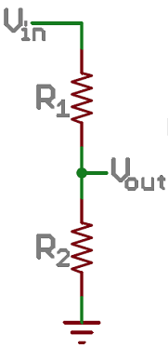
Vin | 30
Vout | 1.3170731707

R1 | 9800
R2 | 450

vref | 3.3 | volts
count | 4096 | counts
1 count | 0.0008056640625 | volt/count
scale | 0.043902439024
Correction | 0.018351236979

